SQL code
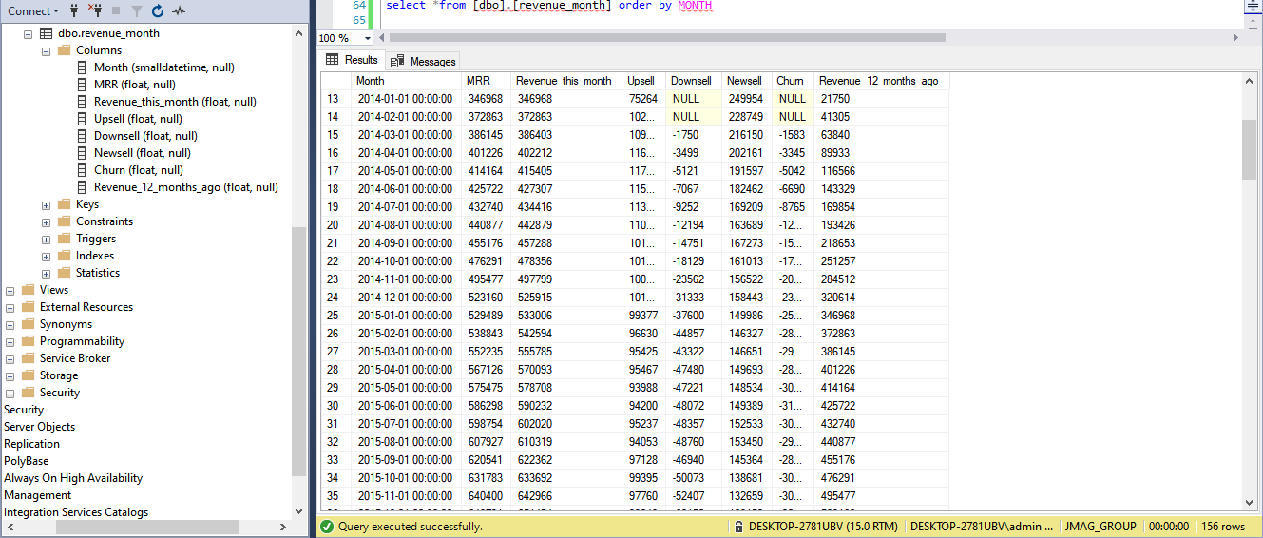
;with expand(Startdate,EndDate,UniqueAccountid, MRR,CurrDate) As ( SELECT c.*, cast(concat(left(cast([Contract_Start_Date] as date),7),'-01') as date) FROM [dbo].[Contractsdata] AS c UNION ALL SELECT StartDate, EndDate, UniqueAccountid, MRR, DATEADD(month, 1, CurrDate) FROM expand WHERE CurrDate < EndDate ) ,step0 as ( select UniqueAccountid,sum(MRR) as MRR, CurrDate, count(*) as n from expand group by UniqueAccountid,CurrDate ) ,step1 as ( select *, LAG(MRR,12) over (PARTITION BY UniqueAccountid order by CurrDate) as LYMRR ,LEAD(MRR, 12) OVER (PARTITION BY UniqueAccountid ORDER BY CurrDate) AS MRR2 from step0 ) ,step2 as ( select UniqueAccountid, MRR,CurrDate,n,LYMRR from step1 union all select UniqueAccountid,MRR2 as MRR, Dateadd(year,1,CurrDate) as CurrDate, 0 as n, MRR as LYMRR from step1 where MRR2 is null ) ,step3 as( select UniqueAccountid,MRR,CurrDate,n,LYMRR, case when MRR>LYMRR then MRR-LYMRR end as upsell, case when MRR<LYMRR then MRR-LYMRR end as downsell, case when LYMRR is null then MRR end as newsell, case when MRR IS NULL THEN LYMRR END AS churn from step2 ) insert into [dbo].[revenue_month]([Month],[MRR],[Upsell],[Downsell],[Newsell],[Churn],[Revenue_12_months_ago],[Revenue_this_month]) select rev1.month1,rev1.MRR,rev1.upsell,rev1.downsell,rev1.newsell,rev1.churn,rev1.Revenue_12_months_ago, coalesce(rev1.upsell,0)+coalesce(rev1.downsell,0)+coalesce(rev1.newsell,0)+coalesce(rev1.churn,0)+coalesce(rev1.Revenue_12_months_ago,0) as [Revenue_this_month] from (select rev.month1,rev.MRR,rev.upsell,rev.downsell,rev.newsell,rev.churn, lag(rev.MRR,12) over(ORDER BY rev.month1 ) AS Revenue_12_months_ago from (SELECT cast(concat(left(CurrDate ,7),'-01') as date) month1 , SUM(MRR) AS MRR , SUM(upsell) AS Upsell , SUM(downsell) AS Downsell , SUM(newsell) AS Newsell , SUM(-churn) AS Churn FROM step3 GROUP BY CurrDate ORDER BY CurrDate o

Tableau Revenue types table
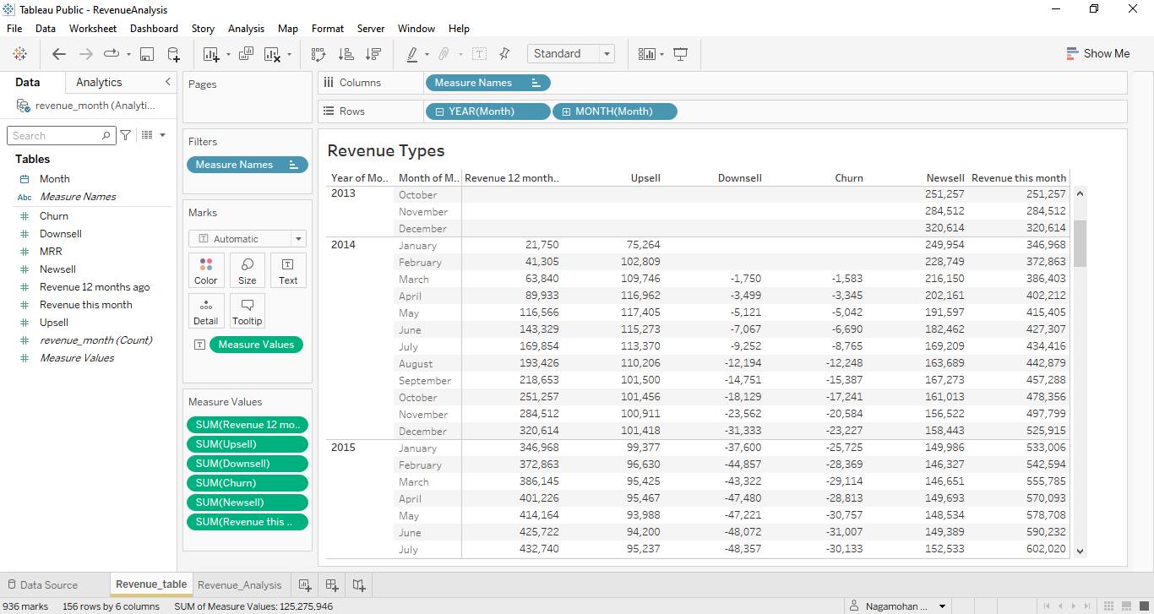

Tableau Revenue Analysis
